BIGY F190 DAYTONA
BIKE REF FOR ORDERS : 23-BIGYF-190D-STD |  | 2023-01-01 | BIKE NAME :BIGY FACTORY DAYTONA 190MX 2023
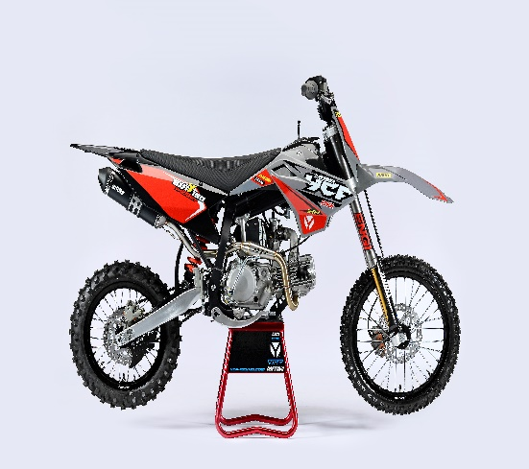 |  |  |  | 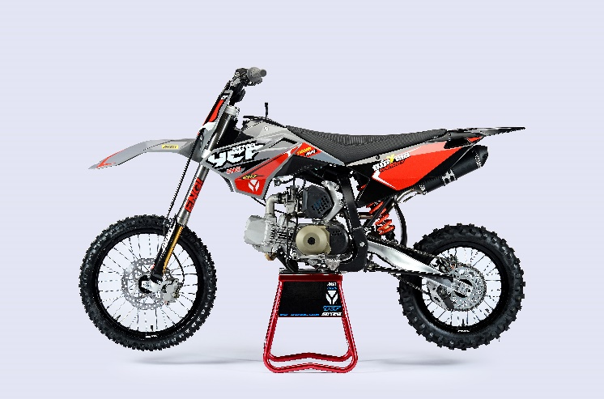
Handle bar assembly
50A = YCF50A
50E = YCF50E
W88E = START W88E
L88 = LITE88 L125 = LITE125
S88S = START F88S
S125S = START F125S
S125SE = START F125SE
S125 = STARTF125
P88 = PILOT 88
P125 = PILOT 125
P150 = PILOT 150
SM125 = START SM125S
SM150 = PILOT SM 150
SP1 = FACTORY SP1
SP2 = FACTORY SP2
SP3 = FACTORY SP3
B125 = BIGY 125MX
B150 = BIGY 150MX
BF150 = BIGY F150MX
BFD190 = BIGY FD190MX
BFZ190 = BIGY ZE190 MX
S147 = SUNDAY 150
S187 = SUNDAY 190
N° | Ref. | Description | Français | Picture | Qty/Bike | Model
32 | GALOW-04-BK | Aluminium handle bar (with black pad and pvc ) TWIN ALL L=780mm complete with bar pad and pvc BLACK | Guidon aluminium ''BAS'' TWIN ALL L=780mm complet avec mousse et pvc NOIR |  | 1 | BFD1901722
31 | YC110-0133-01BK | Complete Rubber Bar Pad for Aluminium Handlebar with Bar L=195mm BLACK | Mousse guidon caoutchouc complete pour guidon Aluminium avec Barre L=195mm NOIR |  | 1 | SP31619/BIGYFD190Mx19
 | YC110-0153-01 | Handle bar plastic cap | Embout plastique de guidon |  | 1 | ALL BIKES 22
 | YC110-0138-03 | YCF complete Throttle Assy. 2020 with YCF GREY | Poignee gaz complete YCF 2020 avec Paire de poignée YCF GRIS 2020 |  | 1 | SM1501422/SP11422/SP21422/SP31422/BF1501722/BFD1901722/BFZ1901722/S1471822/S1871822
24 | GB819-M4x12 | Countersunk cross head machine screw M4x12mm | Vis à tête fraisée plate cruciforme M4x12mm |  | 1 | ALL BIKES 1222
24 | GB819-M4x20 | Countersunk cross head machine screw M4x20mm | Vis à tête fraisée plate cruciforme M4x20mm |  | 1 | ALL BIKES 1222
25 | GB70-M6x20 | HEXAGON SOCKET Head Bolt with half thread M6x20mm | Vis Allen (BTR) avec deport M6x20mm |  | 2 | ALL BIKES 1222
33 | PPC011-GY | YCF set of grip GREY 2020 | Paire de poignée caoutchouc YCF GRISE 2020 |  | 1 | ALL BIKES 22
35 | YC110-0135-02 | Cnc adjustable bracket with lever 2020 | Cocotte CNC reglage rapide avec levier embrayage 2020 |  | 1 | S12522/P12522/P15022/SM15022/SP222/SP322/B12522/B15022/BFD19022/BFZ19022/S14722/S18722
51 | YC110-0151-02 | Rubber on clutch lever adjustable screw 2020 | Caoutchouc levier embrayage molette reglage 2020 |  | 1 | S12522/P12522/P15022/SM15022/SP222/SP322/B12522/B15022/BFD19022/BFZ19022/S14722/S18722
36 | YC110-0136-01 | Rubber on clutch lever | Caoutchouc levier embrayage |  | 1 | S1251822/P1251822/P1501822/SM1501822/SP21822/SP31822/B1251822/B1501822/BF1501822/BFD1901822/BFZ1901822/S1471822/S1871822
 | YC110-0134-04 | Clutch bracket Assy | Cocotte embrayage complete |  | 1 | P12522/P15022/SM15022/SP22822/SP31822/BIGY125Mx22/BIGY150Mx22/BIGYF150Mx1822/BIGYFD220Mx1822/BIGYZE220Mx1822/FT14722/FT18722
14 | BT08-M6x20-W | HEXAGON Torx screw with Flange M6x20mm | Vis HEXAGONALE Torx avec Flange M6x20mm |  | 2 | ALL BIKES 22
10 | YC110-0103-07 | Clutch lever 2020 (with FB13-8x10x10.5-Cu 1EA FB13-8x10x9.4-Cu 1EA ) complete with bushings and washer | Levier embrayage 2020 (avec FB13-8x10x10.5-Cu 1EA FB13-8x10x9.4-Cu 1EA ) avec entretoises et rondelle |  | 1 | S12522/P12522/P15022/SM15022/SP222/SP322/B12522/B15022/BFD19022/BFZ19022/S14722/S18722
18 | 27-06025B | Clutch Stepped bolt M6x25mm for clutch lever | vis cloche embrayage M6x25mm pour Levier embrayage |  | 1 | L1251622/S1251222/P1251322/P1501222/SM1501222/SP21222/SP31222/B1251722/B1501722/BF1501722/BFD1901722/BFZ1901822/S1471822/S1871822
19 | 6183-06000B | Cltch Self-lock Nut M6 for clutch lever | ecrou cloche embrayage M6 pour Levier embrayage 2020 |  | 1 | L1251622/S1251222/P1251322/P1501222/SM1501222/SP21222/SP31222/B1251722/B1501722/BF1501722/BFD1901722/BFZ1901822/S1471822/S1871822
12 | YC110-0105-04 | Kill Switch ON/OFF daytona ANIMA engine L=710mm | Coupe circuit on off pour daytona ANIMA L=710mm |  | 1 | SP31322/BIGY190D1722
13 | YC110-0106-15 | Throttle Cable L=960mm A+B=135mm 2021 (FOR NIBBI PE28) | Cable gaz L=960mm A+B=135mm 2021 (POUR NIBBI PE28) |  | 1 | 22-BIGY-190D-STD
 | YC110-0143-01 | RUBBER ON THROTTLE CABLE | Protection caoutchouc cable de gas |  | 1 | ALL BIKES 1722
22 | YC110-01-03-BK | Cable tie L= 150mm BLACK | collier maintien cable L= 150mm NOIR |  | 3 | ALL BIKES 1222
22 | YC110-01-05-WH | Cable tie L=350mm WHITE | collier maintien cable L=350mm BLANC |  | 1 | ALL BIKES 1222
21 | YC110-0109-22 | Clutch Cable Assy. L=1000mm A+B=93mm | cable embrayage L=1000mm A+B=93mm |  | 1 | BFD1901722/BFZ1901822/SP31422/S1871822
 | EBR031-01 | Daytona Clutch clable clip SP3 | Support cable enbrayage Daytona SP3 |  | 1 | SP322/BFD19022/S18722

Steering stem assembly

N° | Ref. | Description | Français | Picture | Qty/Bike | Model
25 | YC110-02-049-GY | Complete Triple Clamp (TOP48 / BOTTOM 48) adjustable bar mount SP3 2022 MAT GREY | Te Fourche Complet (TE SUP. 48 / TE INF.48) pontet ajustable SP3 2022 GRIS MAT |  | 1 | SM19022
1 | YC110-0201-03 | Steering stem L=233mm | tige colonne direction L=233mm |  | 1 | S12522/S125S1122/S125SE1522/P1251122/P1501122/SM1251222/SM1501322/SP11322/SP21322/SP31322/B1251722/B1501722/BFD1901722/BFZ1901822/S1471822/S1871822
2 | YC110-0202-54-GY | Lower triple clamp 160mm d48mm H=38mm 2020 MAT GREY | té fourche inferieur 160mm d48mm H=38mm 2020 GRIS MAT |  | 1 | BFD19022
3 | YC110-0201-54-GY | Top Triple Clamp 160mm d48mm H=28mm 2022(not adjustable)MATT GREY | té fourche supérieur 160mm d48mm H=28mm (non ajustable) 2022 GRTS MAT |  | 1 | BFD19022
26 | YC110-0203-038 | Set of Bar mount d28.6mm / H=87mm（with GB70.1-M10x55-W 2EA+BT08-M8x30-W 4EA YC110-0222-03 2EA） | Jeu pontet guidon H=87mm d28.6mm （with GB70.1-M10x55-W 2EA+BT08-M8x30-W 4EA YC110-0222-03 2EA） |  | 2 | SP322/BFD19022
4 | YC110-0203-33 | Lower Bar Mount CNC START type, d28.6mm H=55mm BLACK | Pontet guidon inférieur type START d28.6mm H=55mm NOIR |  | 2 | SP322/BFD19022
5 | YC110-0201-01 | Top bar mount CNC d28.6mm H=22mm 2020 BLACK | Pontet guidon supérieur d28.6mm H=22mm 2020 NOIR |  | 2 | SP322/BFD19022
 | YC110-0202-03 | Lower Bar Mount Heightening block CNC 12mmx12mmx12mm adjustable | Cale 12mmx12mmx12mm |  | 2 | SP322/BFD19022
15 | BT08-M6x25-W | HEXAGON Torx screw with Flange M6x25mm | Vis HEXAGONALE Torx avec Flange M6x25mm |  | 10 | ALL BIKES 22
17 | BT08-M8x30-W | HEXAGON Torx screw with Flange M8x30mm | Vis HEXAGONALE Torx avec Flange M8x30mm |  | 4 | W88E22/S88SE22/L8822/L12522/S12522/S125SE22/P12522/P15022/SM12522/SM15022/SP222/SP322/B12522/B15022/BFD19022/BFZ19022
14 | GB70.1-M10x55-W | Hex. Bolt M10x55mm (step 1.5) for 2020 bar mounts | Vis centrale M10x55mm (pas 1.5) pour pontets 2020 |  | 2 | W88E22/S88SE22/L8822/L12522/S12522/S125SE22/P12522/P15022/SM12522/SM15022/SP222/B12522/B15022/BFZ19022
 | YC110-0212-07-GY | Front Number Plate GREY | PLAQUE AVANT GRIS |  | 1 | BFD1901723
22 | BT08-M6x16-W | HEXAGON Torx screw with Flange M6x16mm | Vis HEXAGONALE Torx avec Flange M6x16mm |  | 1 | ALL BIKES2020
 | GB97-d12-W | Flat washer d12 | Rondelle d12 |  | 2 | ALL BIKES2020
27 | KRDIRECTION46 | set of bearing for steering 46/23.5、46/22 | kit rlt colonne direction 46/23.5、46/22 |  | 1 | 50A22/50E22/W88E22/S88SE22/L8822/L12522/125S1522/S125SE1522/P1251322/P1501322/SM1251322/SM1501322/SP11122/SP21222/SP31222/B1251722/B1501722/BF1501722/BFD1901722/BFZ1901722/S1471822/S1871822
9 | YC110-02-09 | Top nut for steering d54.5mm | écrou crantellé colonne direction d54.5mm |  | 1 | ALL BIKES 1222
10 | YC110-02-10 | Washer for steering stem nut d22.5mmxd37mmx0.7mm | joint colonne direction d22.5mmxd37mmx0.7mm |  | 2 | ALL BIKES 1222
11 | YC110-02-11 | Nut for steering stem M22 | écrou supérieur colnne direction M22 |  | 1 | ALL BIKES 1222
13 | YC110-0214-01-WH | YCF Break Line Retainer White with screw and washer（with GB9074.5-M4x10-W 1EA ） | Guide durite sur plaque avant avec vis et rondelle YCF Blanc |  | 1 | 50A22/50E22/W88E22/S88SE22/L8822/L1251622/S125SE1522/P1251422/P1501422/SM1251422/SM1501422/SP11422/SP21422/SP31422/B1251722/B1501722/BF1501722/BFD1901722/BFZ1901722
 | YC110-0213-12 | Front plastic plate to hold cables 75mmx80mm | Plaque avant plastique maintien cables 75mmx80mm |  | 1 | ALL BIKES 22
30 | YC110-0213-08 | Number plate bracket | support plaque avant |  | 1 | S1251422/S125SE1522/P1251422/P1501422/SM1251622/SM1501622/SP11622/SP21622/SP31622/B1251722/B1501722/BF1501722/BFD190ZE1722/BIGYF190D1722
22 | GBT5787-M6x16-3 | HEXAGON screw with Flange with half thread M6x16mmx3mm | Vis HEXAGONALE avec Flange et deport M6x16mmx3mm |  | 1 | ALL BIKES 1622
 | YC110-01-08-BK | Cable tie ADJUSTABLE BLACK | Collier maintien cable AJUSTABLE NOIR |  | 2 | ALL BIKES 22
 | YC110-02-20 | Washer for steering stem nut d22mm (top)/d24mm (bottom)-d47mm | Joint pour colonne direction d22mm (haut)/d24mm (bas) -d47mm |  | 1 | S1251422/S125S1422/S125SE1422/P1251422/P1501422/SM1251422/SM1501422/SP11422/SP21422/SP31422/B1251722/B1501722/BF1501722/BFD1901722/BFZ1901822/S1471822/S1871822/S88SE22

Front Fender

N° | Ref. | Description | Français | Picture | Qty/Bike | Model
1 | YC110-032-10-GY | Front Fender BIGY GREY | Garde boue avant BIGY GRIS |  | 1 | BFD1901723
2 | GBT5787-M6x16-6 | Hex. Bolt with flanged M6x16mm (spacer 6mm) | vis M6x16mm (deport 6mm) |  | 3 | 50A22/50E22/W88E1822/S88SE1822/L8822/L12522/S12522/S125SE1822/P1251822/P1501822/SM1251822/SM1501822/SP21822/SP31822/B1251822/B1501822/BF1501722/BFD19017822/BFZ1901822
 | GBT5787-M6x16-3 | HEXAGON screw with Flange with half thread M6x16mmx3mm | Vis HEXAGONALE avec Flange et deport M6x16mmx3mm |  | 2 | 50A22/50E22/W88E1822/S88SE1822/L8822/L12522/S12522/S125SE1822/P1251822/P1501822/SM1251822/SM1501822/SP22822/SP31822/B1251822/B1501822/BF1501722/BFD19017822/BFZ1901822

Front & Rear absorber

N° | Ref. | Description | Français | Picture | Qty/Bike | Model
24 | ENGI2-800-GY | Pair of fork ENGI L=800mm (Compression / Rebound adjustable) GREY | Jeu de fourche (compression / detente reglable) L=800mm GRIS |  | 1 | SP31822/BFD1901822
1 | YC110-0401-22-GY | Front right fork ENGI L=800mm (Compression / Rebound adjustable) GOLD-GREY (tubes gold colour) | tube fourche droit L=800mm GOLD-GRIS(compression / detente reglable ) |  | 1 | SP31822/BFD1901822
2 | YC110-0402-22-GY | Front left fork ENGI L=800mm (Compression / Rebound adjustable) GOLD-GREY (tubes gold colour) | Tube fourche gauche L=800mm GOLD-GRIS(compression / detente reglable) |  | 1 | SP31822/BFD1901822
 | GB70-M6x18 | HEXAGON SOCKET Head Bolt with half thread M6x18mm | Vis Allen (BTR) avec deport M6x18mm |  | 4 | SP31822/BFD1901822
4 | YC110-0404-69 | Shock absorber ENGI 355mmx800lbs | Amortisseur ENGI 355mmx800lbs |  | 1 | BFD1901722
...
N° | Ref. | Description | Français | Picture | Qty/Bike | Model
 | 17311-6 | INLET PIPE ,Pro ANIMA 150 for PE28 | PIPE ADMISSION PE28 |  | 1 | SP319022/BFD1922/S1871922
 | BT08-M6x20-W | HEXAGON Torx screw with Flange M6x20mm | Vis HEXAGONALE Torx avec Flange M6x20mm |  | 2 | ALL BIKES 22
 | 46758 | RUBBER MANIFOLD SET（with YC50-0803 1EA+YC110-2029 1EA+BT08-M6x20-W 2EA） | Manchon pipe admission Daytona |  | 1 | SP31622/BFD1901722/BFZ1901822/S1871822
 | YC110-2030 | RUBBER MANIFOLD SET PE28 | Manchon pipe admission Daytona PE28 |  | 1 | SP31622/BFD1901722/BFZ1901822/S1871822
 | YC110-2029 | YCF carburettor paper gasket | joint papier carburateur |  | 1 | SP31622/BIGY190ZE1722
 | YC50-0803 | Holding ring d21mm-d44mm | collier FILTRE d21mm-d44mm |  | 1 | SP31622/BIGY190ZE1722
 | BT08-M6x30-W | HEXAGON Torx screw with Flange M6x30mm | Vis HEXAGONALE Torx avec Flange M6x30mm |  | 2 | ALL BIKES 22
 | GB6170-M6-W | HEXAGON Nut M6 | Ecrou HEXAGONAL M6 |  | 2 | ALL BIKES 1122

Foot Peg assy
 | 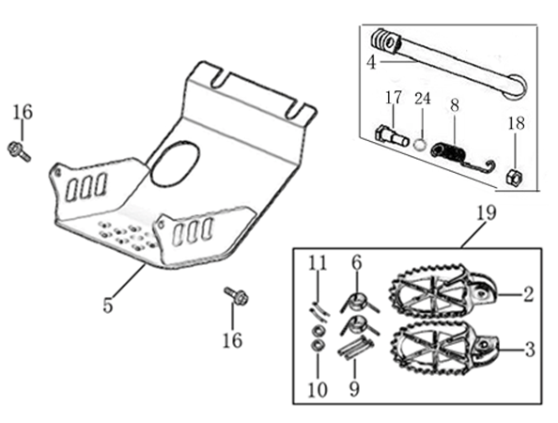
N° | Ref. | Description | Français | Picture | Qty/Bike | Model
19 | YC110-0902/05 | Inox foot pegs set Large | Jeu repose pied inox Large |  | 1 | SP1322/SP21322/SP31422/BF1501722/BFD1901722/BFZ1901822
6 | YC110-0906 | Spring for inox foot peg (left/right) d2mmxd16mmx35mm | ressort repose pied (droit/gauche) inox d2mmxd16mmx35mm |  | 2 | SP1322/SP21322/SP31422/BF1501722/BFD1901722/BFZ1901822/S1471822/S1871822
9 | GB882-d8x45 | shaft pin for inox footpegs Stainless steel d8mmx45mm | axe repose pied inox Acier inoxydable d8mmx45mm |  | 2 | BIGY190ZE22/BIGY190D22/SP222/SP322/S14722/S18722
10 | GB97-d8-W | flat washer d8mmxd16mmx1mm | rondelle d8mmxd16mmx1mm |  | 2 | ALL BIKES 1122
11 | GB91-d2x25-W | Cotter pin 2.0x25mm | goupille 2.0x25mm |  | 2 | ALL BIKES 1322
 | YC110-0904-07 | Kick stand L=340mm | bequille L=340mm |  | 1 | B1251722/B1501722/BF1501722/BFD1901722/BFZ1901822
17 | FB02-M10x1.5x30I | Stepped screw M10x35mm for kick stand (step 1.5) | vis bequille M10x35mm (pas1.5) |  | 1 | 50A1422/50E1622/W88E1822/S88SE1522/L881722/L1251622/S12522/S125S1422/S125SE1522/P1251422/P1501422/SM1251422/SM1501422/B1251722/B1501722/BF1501722/BFD1901722/BFZ1901822/S1471922/S1871822
18 | GB6170-M10-G | HEXAGON Nut M10 | Ecrou HEXAGONAL M10 |  | 1 | ALL BIKES221422(BUTSP1/SP2/SP3)
24 | GB93-d10-W | Standard spring washer for kick stand d10mm | rondelle pour bequille d10mm |  | 1 | 50A1422/50E1622/W88E1822/S88SE1522/L881722/L1251622/S12522/S125S1422/S125SE1522/P1251422/P1501422/SM1251422/SM1501422/B1251722/B1501722/BF1501722/BFD1901722/BFZ1901822/S1471922/S1871822
...
N° | Ref. | Description | Français | Picture | Qty/Bike | Model
 | FB13-10x14x6 | bushing 10x14x6MM for brake pedal | entretoise 10x14x6MM pour pédale de frein |  | 1 | SP11622/SP222/SP322/BFD19022/BFZ19022/S14722/S18722
23 | YC110-1223-02 | Aluminium brake pedal end cap 2020 | embout pédale de frein Aluminium 2020 |  | 1 | SP222/SP322/BFD19022/BFZ19022/S14722/S18722
30 | BT08-M6x16-W | HEXAGON Torx screw with Flange M6x16mm | Vis HEXAGONALE Torx avec Flange M6x16mm |  | 2 | SP222/SP322/BFD19022/BFZ19022/S14722/S18722
 | 6900Z | Ball bearing 6900Z d10xd22x6mm | roulement Cylindre pedale 6900Z d10xd22x6mm |  | 2 | SP11622/SP222/SP322/BFD19022/BFZ19022/S14722/S18722
 | GB70-M5x12 | HEXAGON SOCKET Head Bolt with half thread M5x12mm | Vis Allen (BTR) avec deport M5x12mm |  | 3 | SP11622/SP222/SP322/BFD19022/BFZ19022/S14722/S18722
34 | YC110-1215-06 | Mount for rear break reservoir "extern" | fixation maitre cylindre frein arriere "externe" |  | 1 | P1251722/P1501722/SM1501722/SP11722/SP21722/SP31722/B1251722/B1501722/BFD1901722/BFZ1901822/S1471822/S1871822
35 | GB5787-M6x12-W | HEXAGON Torx screw with Flange M6x12mm | Vis HEXAGONALE Torx avec Flange M6x12mm |  | 2 | P12522/P15022/SM15022/SP222/SP322/B12522/B15022/BFD19022/BFZ19022/S14722/S18722
 | BT08-M6x16-W | HEXAGON Torx screw with Flange M6x16mm | Vis HEXAGONALE Torx avec Flange M6x16mm |  | 2 | P12522/P15022/SM15022/SP222/SP322/B12522/B15022/BFD19022/BFZ19022/S14722/S18722

Exhaust system
 |  | 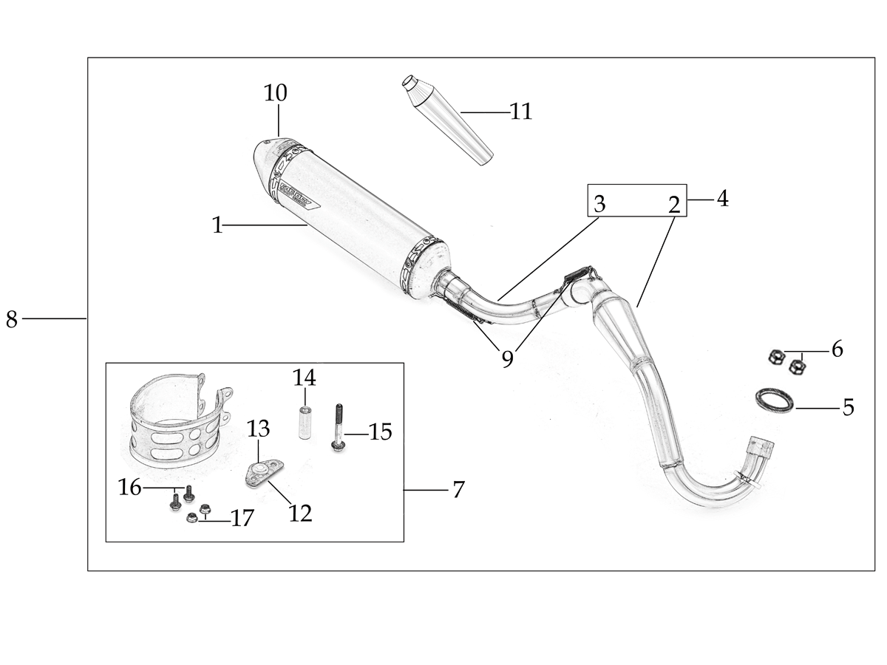
N° | Ref. | Description | Français | Picture | Qty/Bike | Model
8 | YC110-140-0101-BK | Muffler& Exhaust pipe assy RACING BIGYsingle Muffler Black | Echapement Racing Complet YCF RACING BIGY Simple Noir |  | 1 | BFD1901722
1 | YC110-13014-04-BK | Muffler RACING (2 springs) Black | silencieux YCF SP3 RACING Noir |  | 1 | SP322/BIGYF15022/BIGYF150E22/BIGYF190D22
15 | YC110-13-35 | Muffler end cap SPII | Embout silencieux racing |  | 1 | SP21222/SP31222/BF1501722/BFD1901722/BFZ1901822/S1471822/S1871822
24 | GB70-M5x20 | HEXAGON SOCKET Head Bolt with half thread M5x20mm | Vis Allen (BTR) avec deport M5x20mm |  | 3 | SP21222/SP31222/BF1501722/BFD1901722/BFZ1901822/S1471822/S1871822
25 | GB93-d5-W | Standard spring washer d5 for muffler end cap | rondelle d5 pour Emout silencieux |  | 3 | SP21222/SP31222/BF1501722/BFD1901722/BFZ1901822/S1471822/S1871822
 | YC110-1317-02 | Noise reducer (spark arrestor) YCF START | Bride de pot YCF START |  | 1 | SP322/BIGYF15022/BIGYF150E22/BIGYF190D22
24 | GB70-M5x6 | Plus screw M5x6mm for Spark Arestor | vis M5x6mm pour bride de pot |  | 1 | SP322/BIGYF15022/BIGYF150E22/BIGYF190D22
4 | YC110-13028-03 | Exhaust pipe assy single Muffler BIGY BIGYFD190Mx | Collecteur Racing Simple BIGY BIGYFD190Mx |  | 1 | BFD1901722
5 | 18291/152FMH | Exhaust pipe washer d32mmxd25.5mmx4mm | joint pot d32mmxd25.5mmx4mm |  | 1 | S88SE1522/L881722/L1251622/S125SE1522/S12522/S125S1222/P1251322/P1501222/SM1251222/SM1501222/SP11227/SP21222/SP31422/B1251722/B1501722/BF1501722/BFD1901722/BFZ1901822/S1471822/S1871822
...
N° | Ref. | Description | Français | Picture | Qty/Bike | Model
9 | GB5787-M6x12-W | HEXAGON Torx screw with Flange M6x12mm | Vis HEXAGONALE Torx avec Flange M6x12mm |  | 2 | ALL BIKES 1322
10 | YC110-02-13 | Rubber washer d6mmxd14mmx3mm for shroud fixation on gas tank | joint caoutchouc d6mmxd14mmx3mm pour fixation des ouies sur le reservoir |  | 4 | ALL BIKES 1222
 | FB5787-M5x12-W | HEXAGON screw with Flange M5x12mm | Vis HEXAGONALE avec Flange M5x12mm |  | 2 | ALL BIKES 1222
11 | GB96-d6 | flat washer d6 for shroud fixation on gas tank sides | rondelle d6 pour fixation ouis sur reservoir cotes |  | 4 | ALL BIKES 1222
 | GB6189-M6-W | HEXAGON NUT M6 | Ecrou Hexagonal M6 |  | 2 | ALL BIKES 1222
12 | BT08-M6x20-W | HEXAGON Torx screw with Flange M6x20mm | Vis HEXAGONALE Torx avec Flange M6x20mm |  | 2 | ALL BIKES 1522
16 | YC110-03-01 | Rubber washer d6mmxd18mmx4mm for seat fixation on subframe | joint caoutchouc d6mmxd18mmx4mm pour fixation selle sur boucle acier |  | 4 | ALL BIKES 1222
24 | GB96-d6 | flat washer d6mm for seat fixation on subframe | rondelle d6mm pour fixation selle sur boucle acier |  | 4 | ALL BIKES 1222

ELECTRIC
 |  | 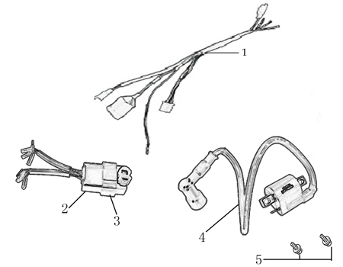
N° | Ref. | Description | Français | Picture | Qty/Bike | Model
1 | 86917 | WIRE HERNESS for ANIMA-FDx | FAISCEAU ELECTRIQUE |  | 1 | SP31322/BFD1901722/S1871822
22 | YC110-01-05-WH | Cable tie L= 350mm WHITE | collier maintien cable L=350mm BLANC |  | 1 | ALL BIKES 1222
2 | 86427 | BOX, CDI for FDX, FLX | CDI ANIMA 150/190 for FDX, FLX |  | 1 | SP31322/BFD1901722/S1871822
4 | 86426 | COIL, IGN ITION L=500mm | BOBINE D'ALLUMAGE L=500mm |  | 1 | SP31322/BFD1901722/S1871822
5 | BT08-M6x16-W | HEXAGON Torx screw with Flange M6x16mm | Vis HEXAGONALE Torx avec Flange M6x16mm |  | 2 | ALL BIKES 22

Frame

N° | Ref. | Description | Français | Picture | Qty/Bike | Model
...

