FACTORY SPII
BIKE REF FOR ORDERS : 23-FACTORYSP2-150-STD |  | 2023-01-01 | BIKE NAME : FACTORY SP2 2023
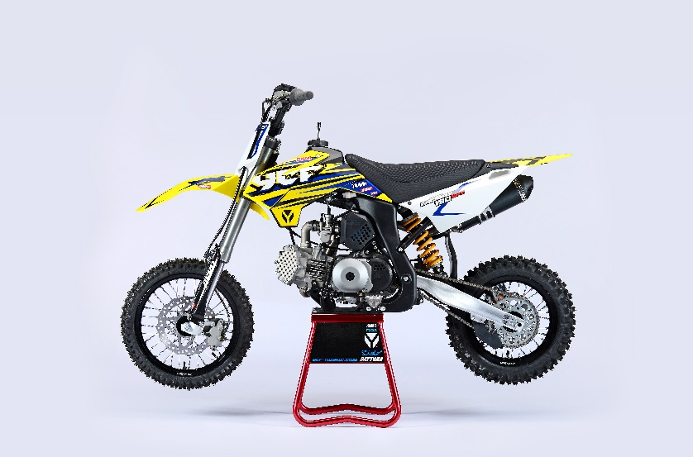 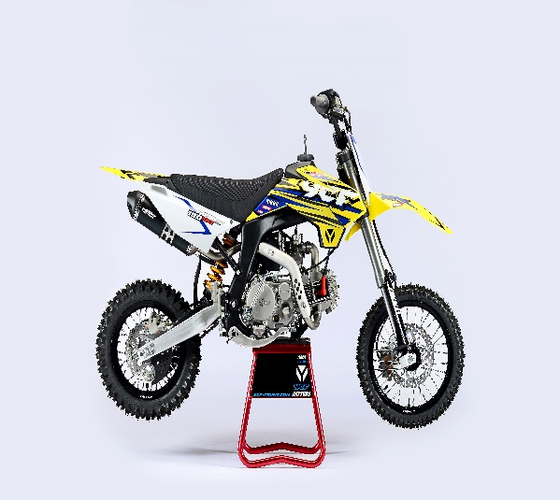
Handle bar assembly
50A = YCF50A
50E = YCF50E
W88E = START W88E
L88 = LITE88 L125 = LITE125
S88S = START F88S
S125S = START F125S
S125SE = START F125SE
S125 = STARTF125
P88 = PILOT 88
P125 = PILOT 125
P150 = PILOT 150
SM125 = START SM125S
SM150 = PILOT SM 150
SP1 = FACTORY SP1
SP2 = FACTORY SP2
SP3 = FACTORY SP3
B125 = BIGY 125MX
B150 = BIGY 150MX
BF150 = BIGY F150MX
BFD190 = BIGY FD190MX
BFZ190 = BIGY ZE190 MX
S147 = SUNDAY 150
S187 = SUNDAY 190
N° | Ref. | Description | Français | Picture | Qty/Bike | Model
1 | GALOW-BK | Aluminium Handle Bar, "LOW" shape BLACK L=740mm | Guidon aluminium NOIR BAS L=740mm |  | 1 | SM1501821/SP21821
11 | YC110-0131-03 | Complete Bar Pad for Chromolly Handlebar L=200mm BLACK | Mousse guidon complete pour guidon Chromolly L=200mm NOIR |  | 1 | SM1501821/SP21821/BF1501821/BFZ1901821
14 | YC110-0153-01 | Handle bar plastic cap,Nylon,Black | Embout plastique de guidon,nylon,noir |  | 1 | ALL BIKES 2120
15 | YC110-0138-03 | YCF complete Throttle Assy. 2020 with YCF GREY | Poignee gaz complete YCF 2020 avec Paire de poignée YCF GRIS 2020 |  | 1 | SM1501420/SP11417/SP21421/SP31421/BF1501721/BFD1901721/BFZ1901721/S1471821/S1871821
23 | GB819-M4x12 | Countersunk cross head machine screw M4x12mm | Vis à tête fraisée plate cruciforme M4x12mm |  | 1 | ALL BIKES 1220
24 | GB819-M4x20 | Countersunk cross head machine screw M4x20mm | Vis à tête fraisée plate cruciforme M4x20mm |  | 1 | ALL BIKES 1220
25 | GB70-M6x25 | HEXAGON SOCKET Head Bolt M6x25mm | Vis Allen (BTR) M6x25mm |  | 2 | ALL BIKES 1220
27 | PPC011-GY | YCF set of grip GREY 2020 | Paire de poignée caoutchouc YCF GRISE 2020 |  | 1 | ALL BIKES 21
30 | YC110-0135-02 | clutch adjustable complete bracket with lever 2020 GREY | Cocotte reglage rapide avec levier embrayage 2020 GRIS |  | 1 | S12521/P12521/P15021/SM15021/SP221/SP321/B12520/B15021/BFD19020/BFZ19021/S14720/S18721
31 | YC110-0151-02 | Rubber on clutch lever adjustable screw 2020 | Caoutchouc levier embrayage molette reglage 2020 |  | 1 | S12521/P12521/P15021/SM15021/SP221/SP321/B12520/B15021/BFD19020/BFZ19021/S14720/S18721
32 | YC110-0136-02 | Rubber on clutch lever | Caoutchouc levier embrayage |  | 1 | S1251820/P1251821/P1501821/SM1501821/SP21821/SP31820/B1251821/B1501821/BF1501821/BFD1901821/BFZ1901821/S1471821/S1871821
33 | YC110-0134-04 | Clutch bracket Assy 2020 GREY | Cocotte embrayage complete 2020 GRIS |  | 1 | S12521/P12521/P15021/SM15021/SP221/SP321/B12520/B15021/BFD19020/BFZ19021/S14720/S18721
38 | BT08-M6x20-W | HEXAGON Torx screw with Flange M6x20mm | Vis HEXAGONALE Torx avec Flange M6x20mm |  | 2 | ALL BIKES 21
39 | YC110-0103-07 | Clutch lever 2020 Al (with FB13-8x10x10.5-Cu 1EA FB13-8x10x9.4-Cu 1EA FB20-10x16x1 1EA) complete with bushings | Levier embrayage 2020 (avec FB13-8x10x10.5-Cu 1EA FB13-8x10x9.4-Cu 1EA FB20-10x16x1 1EA) avec entretoises |  | 1 | S12521/P12521/P15021/SM15021/SP221/SP321/B12520/B15021/BFD19020/BFZ19021/S14720/S18721
49 | 27-06025B | Clutch Stepped bolt with offset M6x25mm | Vis cloche embrayage avec deport,M6x25mm |  | 1 | L1251621/S1251220/P1251321/P1501220/SM1501220/SP21221/SP31220/B1251721/B1501721/BF1501721/BFD1901721/BFZ1901821/S1471821/S1871821
50 | 6183-06000B | Cltch Self-lock Nut M6 for clutch lever | ecrou cloche embrayage M6 pour Levier embrayage 2020 |  | 1 | L1251621/S1251220/P1251321/P1501220/SM1501220/SP21221/SP31220/B1251721/B1501721/BF1501721/BFD1901721/BFZ1901821/S1471821/S1871821
51 | YC110-0105-15 | Kill Switch ON/OFF L=580mm Waterproof | Coupe circuit on off L=580mm ETANCHE |  | 1 | ALL BIKES 1220
52 | YC110-0106 | Throttle Cable L=840mm A+B=120mm(FOR NIBBI PE19) | Cable gaz L=840mm A+B=120mm(POUR NIBBI PE19) |  | 1 | L12521/S125S1319/S12521/S125SE1521/P1251321/P1501220/SM1251320/SM1501320/SP11217/SP21221/S1471821/S1871821
53 | YC110-0143-01 | Rubber on trottle cable | Protection caoutchouc cable de gas |  | 1 | ALL BIKES 1720
54 | YC110-01-03-BK | Cable tie,nylon, L=150mm BLACK | collier maintien cable, nylon, L=150mm NOIR |  | 3 | ALL BIKES 1220
55 | YC110-01-05-WH | Cable tie L=350mm WHITE | collier maintien cable L=350mm BLANC |  | 1 | ALL BIKES 1220
56 | YC110-0109-23 | Clutch Cable Assy. L=920mm A+B=75mm | cable embrayage L=920mm A+B=75mm |  | 1 | SP21321

Steering stem assembly

N° | Ref. | Description | Français | Picture | Qty/Bike | Model
25 | YC110-02-053-BK | Complete Triple Clamp (TOPd45mm / BOTTOM d48mm) adjustable bar mount, CP 2020 Type BLACK | Te Fourche Complet (TE SUPd45mm / TE INF d48mm) pontet ajustable Type CP 2020 NOIR |  | 1 | W88E20/S88SE21/S12521/S125SE21/SM12520/SM15021/SP221/B12520/B15021/BFZ19021
1 | YC110-0201-03 | Steering stem L=233mm | tige colonne direction L=233mm |  | 1 | S12521/S125S1119/S125SE1521/P1251120/P1501120/SM1251220/SM1501320/SP11317/SP21321/SP31321/B1251721/B1501721/BFD1901721/BFZ1901821/S1471821/S1871821
3 | YC110-0201-56-BK | Top Triple Clamp L=160mm d45mm H=28mm 2022 MATT BLACK, 3 ADJUSTEBLE POSITIONS | té fourche supérieur L=160mm d45mm H=28mm 2022 NOIR MAT, REGLAGE 3 POSITIONS |  | 1 | W88E21/S88SE21/S12521/S125SE21/SM12521/SM15021/SP221/B12521/B15021/BF15020/BFZ19020
2 | YC110-0202-56-BK | Lower triple clamp L=160mm d48mm H=28mm 2020 MATT BLACK | té fourche inferieur L=160mm d48mm H=28mm 2020 NOIR MAT |  | 1 | W88E20/S88SE21/S12521/S125SE21/SM12520/SM15021/SP221/B12520/B15021/BFZ19021
26 | YC110-0203-035 | Set of Bar mount d22.2mm/bottom 55mm START Type BLACK （with GB70-M10x50x1.5W 2EA+BT08-M8x30-W 4EA） | jeu pontet guidon d 22.2mm / pontet bas 55mm Type START NOIR （with GB70-M10x50x1.5W 2EA+BT08-M8x30-W 4EA） |  | 1 | W88E20/L8821/S88SE21/L12521/S12521/S125SE21/P12521/P15021/SM12520/SM15021/SP221/B12520/B15021/BFZ19021
5 | YC110-0203-32 | 2020 Lower Bar Mount CNC START type, not adjustable d22.2mm H=55mm BLACK | Pontet guidon inférieur type START d22.2mm H=55 mm NOIR 2020 |  | 2 | W88E20/L8821/S88SE21/L12521/S12521/S125SE21/P12521/P15021/SM12520/SM15021/SP221/B12520/B15021/BFZ19021
4 | YC110-0201-02 | 2020 Top Bar Mout CNC d22.2 mm H=18mm START Type BLACK | pontet guidon supérieur 2020 d22.2mm H=18mm Type START NOIR |  | 2 | W88E20/L8821/S88SE21/L12521/S12521/S125SE21/P12521/P15021/SM12520/SM15021/SP221/B12520/B15021/BFZ19021
15 | BT08-M6x25-W | HEXAGON Torx screw with Flange M6x25mm | Vis HEXAGONALE Torx avec Flange M6x25mm |  | 8 | ALL BIKES 21
17 | BT08-M8x30-W | HEXAGON Torx screw with Flange M8x30mm | Vis HEXAGONALE Torx avec Flange M8x30mm |  | 4 | W88E20/S88SE21/L8821/L12521/S12521/S125SE21/P12521/P15021/SM12520/SM15021/SP221/SP321/B12520/B15021/BFD19020/BFZ19021
14 | GB70-M10x50x1.5W | HEXAGON SOCKET Head Bolt with half thread M10x50mmx1.5mm | Vis Allen (BTR) avec deport M10x50mmx1.5mm |  | 2 | W88E20/S88SE21/L8821/L12521/S12521/S125SE21/P12521/P15021/SM12520/SM15021/SP221/B12520/B15021/BFZ19021
6 | YC110-0212-07-WH | Front Number Plate complete 2014 WHITE | PLAQUE AVANT complete 2014 BLANC |  | 1 | W88E20/S88SE21/L8821/L1251720/S12521/S125S1419/S125SE1420/P1251420/P1501420/SM125s1420/SM1501420/SP11417/SP21421/SP31421
20 | BT08-M6x12-W | HEXAGON Torx screw with Flange M6x12mm | Vis HEXAGONALE Torx avec Flange M6x12mm |  | 1 | ALL BIKES 21
 | GB97-d6-W | Flat washer d6mm | Rondelle plate d6mm |  | 1 | ALL BIKES2020
27 | KRDIRECTION46 | set of bearing for steering 46/23.5、46/22 | Kit rlt colonne direction 46/23.5、46/22 |  | 1 | 50A20/50E20/W88E20/S88SE21/L8821/L12521/125S1519/S125SE1521/P1251321/P1501320/SM1251320/SM1501320/SP11117/SP21221/SP31220/B1251721/B1501721/BF1501720/BFD1901721/BFZ1901721/S1471821/S1871821
9 | YC110-02-09 | Top nut for steering d54.5mm | écrou crantellé colonne direction d54.5mm |  | 1 | ALL BIKES 1220
10 | YC110-02-10 | Washer for steering stem nut d22mmxd37mmx0.7mm | joint colonne direction d22mmxd37mmx0.7mm |  | 2 | ALL BIKES 1220
11 | YC110-02-11 | Nut for steering stem M11 | écrou supérieur colnne direction M11 |  | 1 | ALL BIKES 1220
13 | YC110-0214-01-WH | Complete Break Line Retainer White（with GB9074.5-M4x10-W 1EA ） | guide durite avec vis sur plaque avant complet Blanc |  | 1 | 50A20/50E20/W88E20/S88SE21/L8821/L1251621/S125SE1521/P1251420/P1501420/SM1251420/SM1501420/SP11417/SP21421/SP31421/B1251721/B1501721/BF1501721/BFD1901721/BFZ1901721
 | YC110-0213-12 | Front plastic plate to hold cables 75mmx80mm | Plaque avant plastique maintien cables 75mmx80mm |  | 1 | ALL BIKES 21
30 | YC110-0213-08 | Number plate bracket | support plaque avant |  | 1 | S1251420/S125SE1521/P1251420/P1501420/SM1251620/SM1501621/SP11617/SP21621/SP31621/B1251721/B1501721/BF1501721/BFD190ZE1720/BIGYF190D1720
31 | GBT5787-M6x16-6 | Hex. Bolt with flanged M6x16mm (offset 6mm) | vis M6x16mm (deport 6mm) |  | 1 | ALL BIKES 21
 | YC110-01-08-BK | Cable tie, PA66 L=80mm ADJUSTABLE BLACK | Collier maintien cable,PA66 L=80mm AJUSTABLE NOIR |  | 2 | S1251420/S125SE1521/P1251420/P1501420/SM1251620/SM1501621/SP11617/SP21621/SP31621/B1251721/B1501721/BF1501721/BFD190ZE1720/BIGYF190D1720
 | YC110-02-20 | Washer for steering stem nut | joint colonne direction |  |  | S1251420/S125S1419/S125SE1420/P1251421/P1501421/SM1251420/SM1501420/SP11417/SP21420/SP31421/B1251721/B1501721/BF1501721/BFD1901721/BFZ1901821/S1471821/S1871821/S88SE21

Front Fender

N° | Ref. | Description | Français | Picture | Qty/Bike | Model
1 | YC110-032-02-WH | YCF Front Fender 2020 (Short) WHITE | GARDE BOUE AVANT 2020 Court BLANC |  | 1 | W88E20/S88SE21/L12521/S125SE21/S12521/P12521/P15021/SM12520/SM15021/SP221/SP321
2 | GBT5787-M6x16-6 | Hex. Bolt with flanged M6x16mm (offset 6mm) | vis M6x16mm (deport 6mm) |  | 3 | 50A20/50E20/W88E1821/S88SE1820/L8821/L12521/S12521/S125SE1820/P1251821/P1501821/SM1251820/SM1501821/SP21821/SP31820/B1251821/B1501821/BF1501721/BFD19017820/BFZ1901821
 | GBT5787-M6x16-3 | HEXAGON screw with Flange with half thread M6x16mmx3mm | Vis HEXAGONALE avec Flange et deport M6x16mmx3mm |  | 2 | 50A20/50E20/W88E1821/S88SE1820/L8821/L12521/S12521/S125SE1820/P1251821/P1501821/SM1251820/SM1501821/SP21821/SP31820/B1251821/B1501821/BF1501721/BFD19017820/BFZ1901821

Front & Rear absorber

N° | Ref. | Description | Français | Picture | Qty/Bike | Model
24 | YC110-0400-10 | Pair of forks L=735mm ZL（Compression adjustable） GREY | Jeu de fourches L=735mm ZL （compression reglable） GRIS |  | 1 | SP11317/SP21321
...
N° | Ref. | Description | Français | Picture | Qty/Bike | Model
 | LK-FLK-40 | Slow Jet Nibbi #40 | Gicleur ralenti Nibbi #40 |  | 1 | L12521/S12521/S125S21/S125SE21/P12521/P15021//SP121/SP221/B15021/BF15021/SUNDAY14721
 | BT08-M6x35-W | HEXAGON Torx screw with Flange M6x35mm | Vis HEXAGONALE Torx avec Flange M6x35mm |  | 2 | ALL BIKES 21
 | GB6170-M6-W | Nut M6 | Ecrou M6 |  | 2 | ALL BIKES 1121
 | 17311-2-01 | Inlet Pipe,Pro 2021 | PIPE ADMISSION 2021 |  | 1 | P15021/SP221
 | BT08-M6x20-W | HEXAGON Torx screw with Flange M6x20mm | Vis HEXAGONALE Torx avec Flange M6x20mm |  | 2 | ALL BIKES 21
 | 17332 | carburettor paper gasket d28mm | joint papier carburateur d28mm |  | 1 | S88SE1521/L881721/L1251621/S125S1319/S125SE1521/S12521/P1251321/P1501320/SM1251320/SM1501320/SP11317/SP21321/B1251721/B1501721/BF1501721/S1471821
 | 17332/152FMH01 | Intake Gasket d=28mm | JT PAPIER PIPE ADMISSION d=28mm |  | 1 | S88SE1521/L881721/L1251621/S125S1319/S125SE1521/S12521/P1251321/P1501320/SM1251320/SM1501320/SP11317/SP21321/B1251721/B1501721/BF1501721/S1471821
 | F00C039 | carburettor isolating gasket d27.5mm | joint plastique carburateur d27.5mm |  | 1 | S88SE1521/L881721/L1251621/S125S1319/S125SE1521/S12521/P1251321/P1501320/SM1251320/SM1501320/SP11317/SP21321/B1251721/B1501721/BF1501721/S1471821

Foot Peg assy
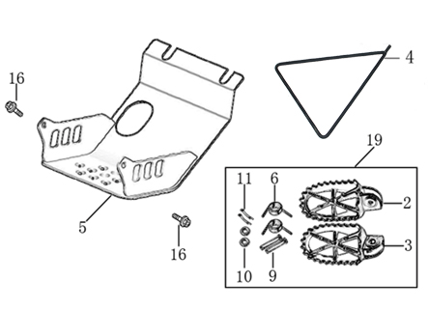
N° | Ref. | Description | Français | Picture | Qty/Bike | Model
19 | YC110-0902/05 | Inox foot pegs set Large | Jeu repose pied inox Large |  | 1 | SP1321/SP21321/SP31421/BF1501721/BFD1901721/BFZ1901821
6 | YC110-0906 | Spring for inox foot peg (left/right) d2mmxd16mmx35mm | ressort repose pied (droit/gauche) inox d2mmxd16mmx35mm |  | 2 | SP1321/SP21321/SP31421/BF1501721/BFD1901721/BFZ1901821/S1471821/S1871821
9 | GB882-d8x45 | shaft pin for inox footpegs Stainless steel d8mmx45mm | axe repose pied inox d8mmx45mm |  | 2 | BIGY190ZE21/BIGY190D21/SP221/SP321/S14720/S18721
10 | GB97-d8-W | Flat washer d8mmxd16mmx1mm | Rondelle plate d8mmxd16mmx1mm |  | 2 | ALL BIKES 1121
11 | GB91-d2x25-W | Split pin 2.0x25mm | Goupille 2.0x25mm |  | 2 | ALL BIKES 1321
4 | YC110-190-01 | Side stand SP BLACK | Triangle support SP NOIR |  | 1 | SP11520/SP21521/SP31521/S1471821/S1871821
5 | YC110-207-04 | Engine skid plate Steel SP/BIGY #2 T=3mm BLACK | SABOT ACIER SP/BIGY #2 T=3mm NOIR |  | 1 | SP21421
16 | BT08-M6x16-W | HEXAGON Torx screw with Flange M6x16mm | Vis HEXAGONALE Torx avec Flange M6x16mm |  | 2 | S88SE21/L8821/L12521/S12521/S125SE21/P12521/P15021/SM12520/SM15021/SP221/SP321/B12520/B15021/BFD19020/BFZ19021
10 | BT08-M8x25-W | HEXAGON Torx screw with Flange M8x25mm | Vis HEXAGONALE Torx avec Flange M8x25mm |  | 4 | ALL BIKES 21
22 | GB93-d8-W | Spring Lock Washers d8mm | Rondelle a ressort d8mm |  | 4 | SP11617/SP21621/SP31621/B1251721/B1501721/BF1501721/BFD1901721/BFZ1901821
10 | GB97-d8-W | Flat washer d8mm | Rondelle plate d8mm |  | 4 | ALL BIKES 1121

Swing Arm assy
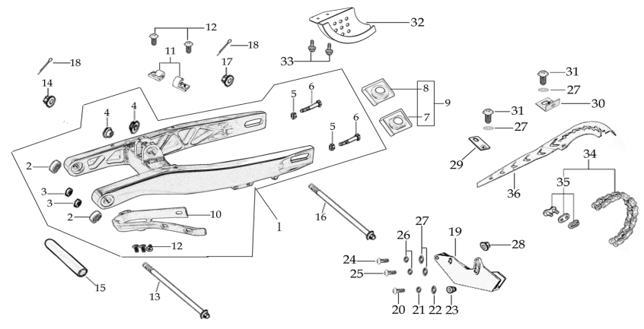
N° | Ref. | Description | Français | Picture | Qty/Bike | Model
1 | YC110-10015-01 | Mono swing arm YCF Aluminium 420mm 2020 d12mm (174 mm) | Bras oscillant mono YCF Aluminium 420mm 2020 d12mm (174 mm) |  | 1 | SP221
2 | YC110-10-015-BK | Rear brake hose guide 2020 | Passe durite de frein arriere sur bras oscillant 2020 |  | 1 | ALL BIKES 21
12 | DIN7985-M6x16 | Screw M6x16mm | Vis M8x16mm |  | 5 | ALL BIKES 21
10 | YC110-10-025 | Chain slider YCF Aluminium swing arm 420mm PU | Patin chaine PU YCF pour bras oscillent |  | 1 | P1251520/P1501520/SM1501520/SP11217/SP21221/SP31220/B1251721/B1501721/BF1501721/BFD1901721/BFZ1901821/S1471821/S1871821
2 | 6001-NTN | NTN 6001 Bearingfor swing arm d12mmxd28mmx8mm | Roulement bras oscillent NTN 6001 d12mmxd28mmx8mm |  | 4 | SP21821/SP31820
15 | YC110-1007-11 | Central spacer swing arm Aluminium SP d13mmxd20mmx141mm | Entretoise centrale de bras oscillent SP d13mmxd20mmx141mm |  | 1 | SP221/SP321
13 | YC110-10-033 | Swing arm shaft L=236mm | axe bras oscillant d3 L=236mm |  | 1 | SP11417/SP21421/SP31421
14 | GB6187-M12-W | HEXAGON FLAT FLANGE LOCK NUT M12mm | Ecrou HEXAGONAL avec Flange autobloquant M12mm |  | 1 | SP11417/SP21421/SP31421
16 | YC110-11-075 | Rear wheel axle L=230mm with Self locking nut M14 | axe roue arriere L=230mm avec ecrou M14 |  | 1 | SP21221/SP31220/BF1501721/BFD1901721/BFZ1901821
...
 | BT08-M6x16-W | HEXAGON Torx screw with Flange M6x16mm | Vis HEXAGONALE Torx avec Flange M6x16mm |  | 1 | ALL BIKES 21
 | GB97-d6-W | flat washer d6mm for Chain box protection | rondelle d6mm pour protection chaine plastique |  | 2 | W88E1920/L881920/S88SE1920/L1251920/S125SE1920/S12521/P1251920/P1501920/SM1251920/SM1501920/SP21920/SP31920/B1251920/B1501920/BFD1901920/BFZ1901920/S1471920/S1871920
 | YC110-1010 | YCF rear disk protection BLACK | Protection de disque arriere YCF NOIR |  | 1 | SP1217/SP21221/B1251721/B1501721/BF1501721/BFZ1901821
33 | BT08-M6x12-W | HEXAGON Torx screw with Flange M6x12mm | Vis HEXAGONALE Torx avec Flange M6x12mm |  | 2 | SP1217/SP21221/SP31220/B1251721/B1501721/BF1501721/BFD1901721/BFZ1901821
4 | YC110-1001-021 | Sleeve for swing arm d12mmxd16mmxd24mmx10mm | Entretoise bras oscillant/amorto d12mmxd16mmxd24mmx10mm |  | 2 | SP11217/SP21221/SP31220/BF1501721/BFD1901721/BFZ1901821
18 | GB91-d2x35-W | Split pin d2x35mm | Goupille d2x35mm |  | 2 | SP11217/SP21221/SP31220/BF1501721/BFD1901721/BFZ1901821

Rear Wheel Assy

N° | Ref. | Description | Français | Picture | Qty/Bike | Model
1 | YC110-1101-16-BK | Complete ALUMINIUM Rear wheel 1.85x12' with disk and sprocket CNC BLACK hub BLACK Rim 2021 8K | roue arriere complète ALUMINIUM 1.85x12' avec disque et moyeux cnc NOIR / Jante NOIRE 2021 8K | 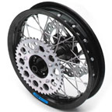 | 1 | SP221/SP321
3 | CHAMBRE12 | Tube for Rear tire 3.00x12' | chambre air 3.00x12' standard |  | 1 | L1251920/S1251920/S125SE1920/P1251920/P1501920/SP21920/SP31920
4 | 80/100/12ARRO | Rear tyre 80/100/12 ARRO 2015 | Pneu arriere 80/100/12 ARRO 2015 |  | 1 | SP21621/SP31621
7 | YC110-1107-24-BK | ALUMINIUM 7116 Rim 1.85x12' BLACK 8K | cerceau roue 1,85x12' ALUMINIUM 7116 NOIR 8K |  | 1 | SP21821/SP31820
8 | YC110-1122-16-BK | YCF Rear hub CNC BLACK 2021 (SPOKES 4 mm - 8K) | Moyeux arriére CNC 2021 NOIR (RAYONS 4 mm -8K) |  | 1 | SP221/SP321/BFD19020/BFZ19021
9 | YC110-1109-07 | Rear hub axle bushing d17mmxd25mmx67mm | entretoise intérieur moyeux arrière d17mmxd25mmx67mm |  | 1 | SP21621/SP31621/BF1501720/BFD1901721/BFZ1901821
10 | 6003 | NTN Ball bearing 6003 35mmxd17mmx10mm | Roulement roue 6003 NTNd35mmxd17mmx10mm |  | 3 | SP21621/SP31621/BF1501720/BFD1901721/BFZ1901821
18 | YC110-0611 | OIL SEAL d23mmxd35mmx5mm | joint spy roue d23mmxd35mmx5mm |  | 2 | W88E1821/L881721/S88SE1521/L1251621/S125S1019/S125SE1521/S12521/P1251321/P1501020/SM1251021/SM1501020/SP11017/SP21020/SP31421/B1251721/B1501721/BF1501721/BFD1901721/BFZ1901821/S1471821/S1871821
21 | JR12-13.5-8K | set of spoke 12' (125mmx32) 8K（4.0mm） | jeu rayon arrière 12' (125mmx32) 8K（4.0mm） |  | 1 | SP21321/SP31321
11 | YC110-11-047 | Rear wheel spacer right d15mmxd22mmx43mm with step d15mmxd17mmx14mm | Entretoise roue arriere droite d15mmxd22mmx43mm step d15mmxd17mmx14mm |  | 1 | SP21621/SP31621/BF1501720/BFD1901721/BFZ1901821
12 | YC110-11-057 | Rear wheel spacer left d15mmxd22mmx63mm with step d15mmxd17mmx25mm | Entretoise roue arriere gauche d15mmxd22mmx63mm step d15mmxd17mmx25mm |  | 1 | SP21621/SP31621/BF1501720/BFD1901721/BFZ1901821
...
N° | Ref. | Description | Français | Picture | Qty/Bike | Model
 | FB13-10x14x6 | bushing 10x14x6MM for brake pedal | entretoise 10x14x6MM pour pédale de frein |  | 1 | SP11617/SP221/SP321/BFD19020/BFZ19021/S14720/S18721
23 | YC110-1223-02 | Aluminium brake pedal end cap 2020 | embout pédale de frein Aluminium 2020 |  | 1 | SP221/SP321/BFD19020/BFZ19021/S14720/S18721
30 | BT08-M6x16-W | HEXAGON Torx screw with Flange M6x16mm | Vis HEXAGONALE Torx avec Flange M6x16mm |  | 2 | SP221/SP321/BFD19020/BFZ19021/S14720/S18721
 | 6900Z | Ball bearing 6900Z d10xd22x6mm | 6900Z d10mmxd22mmx6mm pour roulette de chaine |  | 2 | SP11617/SP221/SP321/BFD19020/BFZ19021/S14720/S18721
 | GB70-M5x12 | HEXAGON SOCKET Head Bolt M5x12mm | Vis Allen (BTR) M5x12mm |  | 3 | SP11617/SP221/SP321/BFD19020/BFZ19021/S14720/S18721
34 | YC110-1215-06 | Mount for rear break reservoir "extern" | fixation maitre cylindre frein arriere "externe" |  | 1 | P1251720/P1501720/SM1501720/SP11719/SP21720/SP31720/B1251721/B1501721/BFD1901721/BFZ1901821/S1471821/S1871821
35 | BT08-M6x12-W | HEXAGON Torx screw with Flange M6x12mm | Vis HEXAGONALE Torx avec Flange M6x12mm |  | 2 | P12521/P15021/SM15021/SP221/SP321/B12520/B15021/BFD19020/BFZ19021/S14720/S18721
 | BT08-M6x16-W | HEXAGON Torx screw with Flange M6x16mm | Vis HEXAGONALE Torx avec Flange M6x16mm |  | 2 | P12521/P15021/SM15021/SP221/SP321/B12520/B15021/BFD19020/BFZ19021/S14720/S18721

Exhaust system
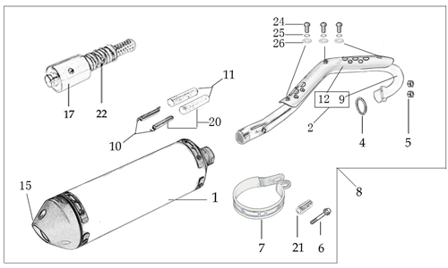
N° | Ref. | Description | Français | Picture | Qty/Bike | Model
1 | YC110-139-0301 | Muffler& Exhaust pipe assy YCF SPII/SPIII 2020 | Echapement complet YCF 94db SPII/SPIII 2020 |  | 1 | SP221/SP321
2 | YC110-13014-03-BK | Muffler RACING (2 springs) (semi product) Black | silencieux YCF SP3 RACING (semi fini) Noir |  | 1 | SP21621/SP31621/BF1501619/BFD1901721/BFZ1901821
4 | YC110-1317-02 | Noise reducer (spark arrestor) YCF SP | Bride de pot YCF SP |  | 1 | SP21621/SP31621/BF1501619/BFD1901721/BFZ1901821
5 | GB70-M5x6 | Plus screw M5x6mm for muffler end cap | vis M5x6mm pour Embout silencieux |  | 1 | SP21621/SP31621/BF1501619/BFD1901721/BFZ1901821
6 | YC110-13-35 | Muffler end cap SPII | Embout silencieux racing SPII |  | 1 | SP21221/SP31220/BF1501721/BFD1901721/BFZ1901821/S1471821/S1871821
7 | GB70-M5x16 | HEXAGON SOCKET Head Bolt M5x16mm | Vis Allen (BTR) M5x16mm |  | 3 | SP21221/SP31220/BF1501721/BFD1901721/BFZ1901821/S1471821/S1871821
8 | GB93-d5 | Spring Lock Washers d5mm | Rondelle a ressort d5mm |  | 3 | SP21221/SP31220/BF1501721/BFD1901721/BFZ1901821/S1471821/S1871821
9 | YC110-1302-34 | Exhaust pipe with protection plate d28/32mm SP 2022 | collecteur avec plaque d28/32mm SP 2022 |  | 1 | SP21522
10 | 18291/152FMH | Exhaust pipe washer d25.5mmxd32mmx4mm | joint pot d25.5mmxd32mmx4mm |  | 1 | S88SE1521/L881721/L1251621/S125SE1521/S12521/P1251321/P1501220/SM1251220/SM1501220/SP11219/SP21221/SP31421/B1251721/B1501721/BFD1901721/BFZ1901821/S1471821/S1871821
...
12 | YC110-1312-10 | Exhaust pipe with protection plate d28/32mm SP 2022 | collecteur avec plaque d28/32mm SP 2022 |  | 1 | SP221
13 | BT08-M6x10-W | HEXAGON Torx screw with Flange M6x10mm | Vis HEXAGONALE Torx avec Flange M6x10mm |  | 3 | ALL BIKES 21
14 | GB97-d6-W | Flat washer d6mm | Rondelle plate d6mm |  | 3 | ALL BIKES 1520
15 | YC110-1307-03 | Hoop for muffler YCF SPII/SPIII （with FB13-8x14x35-W 1EA+GB5787-M8x60-W 1EA） | Attache silencieux YCF SPII/SPIII 2015 (DROIT) |  | 1 | SP21521/SP31521
23 | BT08-M8x60-W | HEXAGON Torx screw with Flange M8x60mm | Vis HEXAGONALE Torx avec Flange M8x60mm |  | 1 | SP221/SP321
24 | BT08-M6x16-W | HEXAGON Torx screw with Flange M6x16mm | Vis HEXAGONALE Torx avec Flange M6x16mm |  | 1 | SP21221/SP31220/BF1501721/BFD1901721/BFZ1901821/S1471821/S1871821
25 | GB6177-M6-W | HEXAGON FLAT FLANGE NUT M6 | Ecrou HEXAGONAL avec Flange M6 |  | 2 | SP21221/SP31220/BF1501721/BFD1901721/BFZ1901821/S1471821/S1871821
26 | YC110-13-21 | Muffler spring with rubber L=50mm | Ressort pot avec le caoutchouc pour silencieux L=50mm |  | 2 | S88SE1521/S88S1516/L881721/L1251621/S125SE1521/S12521/P1251420/P1501420/SM1251320/SM1501320/SP21321/B1251721/B1501721/BF1501721/BFZ1901721/S1471821/S1871821

Seat & Plastic kit
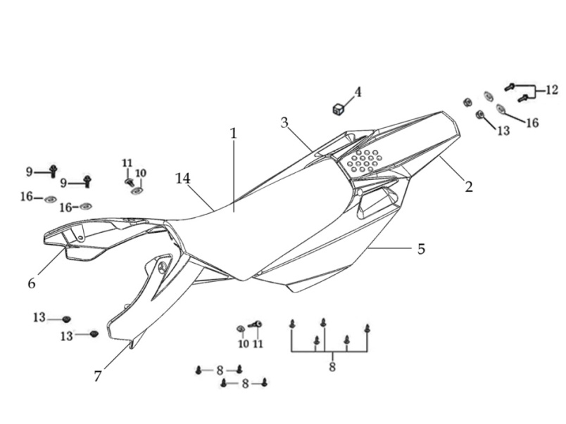
N° | Ref. | Description | Français | Picture | Qty/Bike | Model
1 | YC110-1401-17 | YCF Seat assy L=510mm | Sells SP L=510mm |  | 1 | P1251821/P1501821/SM1501821/SP21821/SP31820
3 | YC110-14-018-WH | YCF Rear fender 2016 WHITE with YC110-1404-01 2EA | Garde boue arrière YCF 2016 avec Picots BLANC |  | 1 | P1251621/P1501621/SM1501621/SP11617/SP21621/SP31621
6 | YC110-14-028-WH | YCF right side plastic assy 2016 WHITE | Plaque latérale droite YCF 2016 BLANC |  | 1 | P1251621/P1501621/SM1501621/SP11617/SP21621/SP31621
7 | YC110-1428-01-BK | Handrail of right side plastic 2016 BLACK | Poignee droite plaques laterales FACTORY 2016 NOIR |  | 1 | P1251621/P1501621/SM1501621/SP11617/SP21621/SP31621
9 | YC110-14-03 | Cushion for right side plastic BLACK | caoutchouc plaque laterale droite NOIR |  | 1 | ALL BIKES 1121
10 | YC110-14-048-WH | YCF left side plastic assy 2016 WHITE | Plaque laterale gauche YCF 2016 BLANC |  | 1 | P1251621/P1501621/SM1501621/SP11617/SP21621/SP31621
11 | YC110-1429-01-BK | Handrail of left side plastic 2016 BLACK | Poignee gauche plaques laterales FACTORY 2016 NOIR |  | 1 | P1251621/P1501621/SM1501621/SP11617/SP21621/SP31621
13 | GB822-M5x10-W | Plus screw M5x10mm | vis M5x10mm |  | 2 | P1251621/P1501621/SM1501621/SP11617/SP21621/SP31621/B1251721/B1501721/BF1501721/BFD1901721/BFZ1901821
14 | YC110-1404-01 | Rubber plug Hoop for muffler d8.2mmxd20.2mmx9mm BLACK | caoutchouc plaque laterale d8.2mmxd20.2mmx9mm 2016 |  | 2 | P1251621/P1501621/SM1501621/SP11617/SP21621/SP31621/B1251721/B1501721/BF1501721/BFD1901721/BFZ1901821
...
24 | BT08-M6x20-W | HEXAGON Torx screw with Flange M6x20mm | Vis HEXAGONALE Torx avec Flange M6x20mm |  | 2 | ALL BIKES 21
25 | YC110-02-13 | Rubber washer d6mmxd14mmx3mm for shroud fixation on gas tank | rondelle d5mmxd15mm pour fixation ouies sur reservoir cotes |  | 2 | ALL BIKES 1220
26 | FB5787-M5x12-W | hex.Bolt with flanged M5x12mm | Vis M5x12mm |  | 2 | ALL BIKES 1220
27 | GB96-d6 | Flat washer d6mm | Rondelle plate d6mm |  | 2 | ALL BIKES 1220
28 | GB6177-M6-W | HEXAGON FLAT FLANGE NUT M6 | Ecrou HEXAGONAL avec Flange M6 |  | 1 | ALL BIKES 1220
29 | BT08-M6x25-W | HEXAGON Torx screw with Flange M6x25mm | Vis HEXAGONALE Torx avec Flange M6x25mm |  | 2 | ALL BIKES 1520
30 | YC110-03-01 | Rubber washer d6mmxd18mmx4mm for seat fixation on subframe | joint caoutchouc d6mmxd18mmx4mm pour fixation selie sur boucle acier |  | 2 | ALL BIKES 1220
31 | GB96-d6 | Flat washer d6mm | Rondelle plate d6mm |  | 2 | ALL BIKES 1220

ELECTRIC
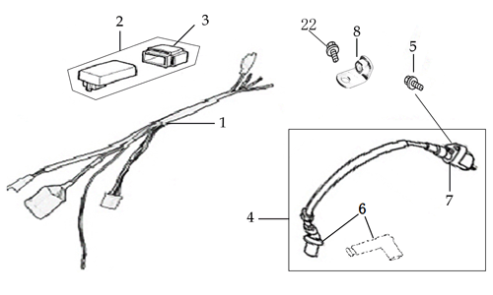
N° | Ref. | Description | Français | Picture | Qty/Bike | Model
1 | YC110-1501-21 | Wire harness 2020 (all kick start 2020) | Faisceaux éléctrique 2020 (toutes motos demareur kick 2020) |  | 1 | L8821/L12521/S12521/P12521/P15021/SM12520/SM15021/SP221/B12520/B15021/S14720
 | YC110-01-05-WH | Cable tie L=350mm WHITE | collier maintien cable L=350mm BLANC |  | 1 | ALL BIKES 1220
2 | YC110-1503 | CDI Ignitor assy. | CDI Ignitor assy. |  | 1 | L881721/L1251621/S12521/S125SE1521/S125S1519/P1251321/P1501320/SM1251220/SM1501220/SP11217/SP21221/B1251721/B1501721/BF1501721/BFZ1901821/S1471821
4 | YC110-1504-02 | Ignitor coil L=240mm | bobine haute tension L=240mm |  | 1 | F88L20/F125L20/F1251216/F125s1220/F125se1520/P88s1215/P1251317/P1501320/SM1220/SP11417/SP21421
6 | YC110-1505 | anti interference red | anti parasite rouge |  | 1 | S88SE1521/L881721/L1251621/S125S1219/S125SE1521/S12521/P1251420/P1501220/SM1251220/SM1501220/SP11217/SP21221/B1251721/B1501721/BF1501721/BFZ1901721/S1471821
7 | YC110-1504 | Ignitor coil | bobine haute tension (sans anti parasite) |  | 1 | S88SE1521/L881721/L1251621/S125S1219/S125SE1521/S12521/P1251420/P1501220/SM1251220/SM1501220/SP11217/SP21221/B1251721/B1501721/BF1501721/BFZ1901721/S1471821
5 | BT08-M6x20-W | HEXAGON Torx screw with Flange M6x20mm | Vis HEXAGONALE Torx avec Flange M6x20mm |  | 1 | ALL BIKES 21
8 | YC110-1506 | The Ignitor coil stents L=23mm H=17mm BLACK | Support Bobine Haute tension L=23mm H=17mm Noir |  | 1 | SP11317/SP21321/B1251721/B1501721/BF1501721/BFZ1901821
22 | BT08-M6x16-W | HEXAGON Torx screw with Flange M6x16mm | Vis HEXAGONALE Torx avec Flange M6x16mm |  | 1 | ALL BIKES 21

Frame
 |  | 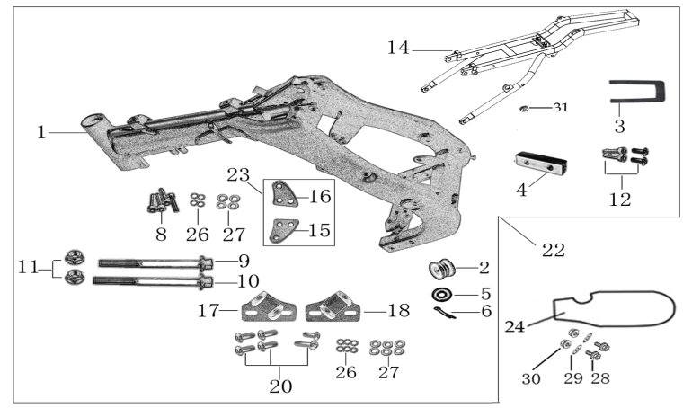
N° | Ref. | Description | Français | Picture | Qty/Bike | Model
21 | YC110-171-0301-BK | complète frame SPII 2020 BLACK | cadre complet SPII 2020 NOIR |  | 1 | SP221
1 | YC110-181-0501-BK | Chromoly steel frame body SPI / SPII / SPIII 2020 BLACK 22 degrees | Cadre acier chromoly SPI / SPII / SPIII 2020 NOIR 22 degres |  | 1 | SP221/SP321
 | YC110-01-08-BK | Cable tie, PA66 L=80mm ADJUSTABLE BLACK | Collier maintien cable,PA66 L=80mm AJUSTABLE NOIR |  | 3 | ALL BIKES 21
2 | YC110-2201-02 | YCF Chain tensioner component Nylon 2020 | Roulette chaine YCF 2020 Nylon |  | 1 | S88SE21/L8821/L12521/S125SE21/S12521/P12521/P15021/SM12520/SM15021/SP221/SP321/B12520/B15021/BFD19020/BFZ1901721/
5 | GB97-d10-W | Flat washer d10.5mmxd20mmx2mm | Rondelle plate d10.5mmxd20mmx2mm |  | 1 | ALL BIKES 1121
6 | GB91-d2x25-W | Split pin 2.0x25mm | Goupille 2.0x25mm |  | 1 | ALL BIKES 1321
14 | YC110-1614-15-BK | STEEL Subframe part SP1/SP2 BLACK with YC110-1404-01 2EA | Boucle arriere de cadre ACIER SP1/SP2 NOIR |  | 1 | SP11617/SP21720
 | YC110-1633-01 | Rubber plug for SUBFRAME part BIGY YCF | Embout Caoutchouc YCF boucle arriere Bigy YCF |  | 1 | P1251720/P1501720/SM1501720/SP116/SP21720/B1251721/B1501721/BF1501721/BFZ1901821/S1471821/S1871821
22 | YC110-16-066-BK | set of engine pads Black SPI/SPII/SPIII | jeu de patte de cadre Noir SPI/SPII/SPIII |  | 1 | SP11317/SP21221/SP31220
...
N° | Ref. | Description | Français | Picture | Qty/Bike | Model
 | YC110-2004-01-GY | Complete YCF Crankcase Cover, LH for kick start engine GREY | CARTER ALLUMAGE complet YCF pour moteur demarage avec kick GRIS |  | 1 | LITE8823/LITE12523/START12523/START125S23/PILOT12523/SM12523/SM15523/SM19023/BIGY12523/BIGY15023/SP223/SP319023/BFD1923/S18723
 | YC110-1803-02-BK | YCF BI-MATERIEL Front Sprocket plastic cover for kick start engine | Protection COMPOSITE YCF PSB pour moteur demarage avec kick |  | 1 | LITE8823/LITE12523/START12523/START125S23/PILOT12523/SM12523/SM15523/SM19023/BIGY12523/BIGY15023/SP223/SP319023/BFD1923/S18723
 | YC110-2014-01-BK | YCF Aluminium Cap Big View Hole BLACK | Bouchon carter allumage CNC YCF NOIR |  | 1 | LITE8823/LITE12523/START12523/START125S23/PILOT12523/SM12523/SM15523/SM19023/BIGY12523/BIGY15023/SP223/SP319023/BFD1923/S18723
 | YC110-2019 | O-Ring d22x1.9 | Joint toriqued22x1.9 |  | 1 | LITE8823/LITE12523/START12523/START125S23/PILOT12523/SM12523/SM15523/SM19023/BIGY12523/BIGY15023/SP223/SP319023/BFD1923/S18723
 | GB5787-M6x40-Cr | HEXAGON screw with Flange M6x40mm | Vis HEXAGONALE avec Flange M6x40mm |  | 1 | LITE8823/LITE12523/START12523/START125S23/PILOT12523/SM12523/SM15523/SM19023/BIGY12523/BIGY15023/SP223/SP319023/BFD1923/S18723
 | GB5787-M6x25-Cr | HEXAGON screw with Flange M6x25mm | Vis HEXAGONALE avec Flange M6x25mm |  | 2 | LITE8823/LITE12523/START12523/START125S23/PILOT12523/SM12523/SM15523/SM19023/BIGY12523/BIGY15023/SP223/SP319023/BFD1923/S18723

GRAPHICS

N° | Ref. | Description | Français | Picture | Qty/Bike | Model
1 | KDSP22023 | SP2 complete graphic kit 2023 | Kit deco complet SP2 2023 | 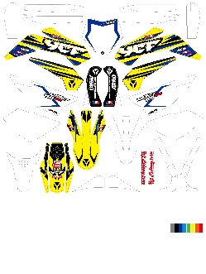 | 1 | SP223

ENGINES
 | MOTEUR150-01 | ENGINE YX 150-2 | M0TEUR YX 150-2 |  | 1 | SP21521/BF1501721
 | YC140-27600-SI | STEEL KICK YCF BIG HOLE | KICK ACIER GROS DIAMETRE SILVER |  | 1 | P1501620/SM1501620/SP11517/SP22520/SP31520/B1501720/BF1501719/BFZ1901822/BFD1901720/S1471820/S1871822
 | BT08-M8x25-W | HEXAGON Torx screw with Flange M8x25mm | Vis HEXAGONALE Torx avec Flange M8x25mm |  | 1 | All Bike20
 | 24700/152FMH/03 | Gearshift Pedal | SELECTEUR |  | 1 | P12521/P15021/SM15021/SP221/B12520/B15021
 | BT08-M6x20-W | HEXAGON Torx screw with Flange M6x20mm | Vis HEXAGONALE Torx avec Flange M6x20mm |  | 1 | All Bike20

